Trang_tính1
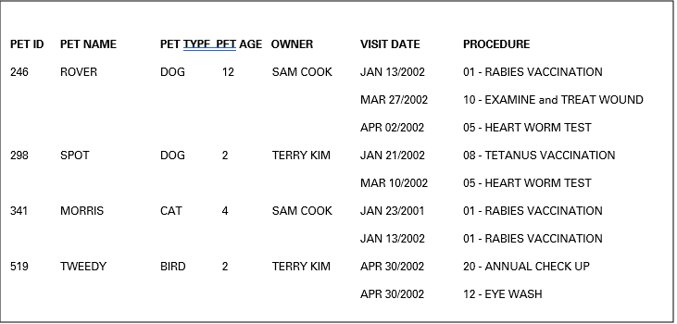
 |  |  |  |  | PET ID | PET NAME | PET TYPE | PET AGE | OWNER | VISIT DATE | PROCEDURE
 |  |  |  |  | 246 | ROVER | DOG | 12 | SAM COOK | JAN 13/2002 | 01 - RABIES VACCINATION
 |  |  |  |  | 246 | ROVER | DOG | 12 | SAM COOK | MAR 27/2002 | 10 - EXAMINE and TREAT WOUND
 |  |  |  |  | 246 | ROVER | DOG | 12 | SAM COOK | APR 02/2002 | 05 - HEART WORM TEST
 |  |  |  |  | 298 | SPOT | DOG | 2 | TERRY KIM | JAN 21/2002 | 08 - TETANUS VACCINATION
 |  |  |  |  | 298 | SPOT | DOG | 2 | TERRY KIM | MAR 10/2002 | 05 - HEART WORM TEST
 |  |  |  |  | 341 | MORRIS | CAT | 4 | SAM COOK | JAN 23/2001 | 01 - RABIES VACCINATION
 |  |  |  |  | 341 | MORRIS | CAT | 4 | SAM COOK | JAN 13/2002 | 01 - RABIES VACCINATION
 |  |  | 1NF |  | 519 | TWEEDY | BIRD | 2 | TERRY KIM | APR 30/2002 | 20 - ANNUAL CHECK UP
 |  |  |  |  | 519 | TWEEDY | BIRD | 2 | TERRY KIM | APR 30/2002 | 12 - EYE WASH
 |  |  |  |  | Primary Key

Primary Key | PET ID

PET ID | VISIT DATE | PROCEDURE |  |  | PET ID | PET NAME | PET TYPE | PET AGE | OWNER |  |  | VISIT DATE | PROCEDURE
246 | JAN 13/2002 | 01 - RABIES VACCINATION |  |  | 246 | ROVER | DOG | 12 | SAM COOK |  |  | JAN 13/2002 | 01 - RABIES VACCINATION
246 | MAR 27/2002 | 10 - EXAMINE and TREAT WOUND |  |  | 246 | ROVER | DOG | 12 | SAM COOK |  |  | MAR 27/2002 | 10 - EXAMINE and TREAT WOUND
246 | APR 02/2002 | 05 - HEART WORM TEST |  |  | 246 | ROVER | DOG | 12 | SAM COOK |  |  | APR 02/2002 | 05 - HEART WORM TEST
298 | JAN 21/2002 | 08 - TETANUS VACCINATION |  |  | 298 | SPOT | DOG | 2 | TERRY KIM |  |  | JAN 21/2002 | 08 - TETANUS VACCINATION
298 | MAR 10/2002 | 05 - HEART WORM TEST |  |  | 298 | SPOT | DOG | 2 | TERRY KIM |  |  | MAR 10/2002 | 05 - HEART WORM TEST
341 | JAN 23/2001 | 01 - RABIES VACCINATION |  |  | 341 | MORRIS | CAT | 4 | SAM COOK |  |  | JAN 23/2001 | 01 - RABIES VACCINATION
341 | JAN 13/2002 | 01 - RABIES VACCINATION | 2NF |  | 341 | MORRIS | CAT | 4 | SAM COOK |  |  | JAN 13/2002 | 01 - RABIES VACCINATION
519 | APR 30/2002 | 20 - ANNUAL CHECK UP |  |  | 519 | TWEEDY | BIRD | 2 | TERRY KIM |  |  | APR 30/2002 | 20 - ANNUAL CHECK UP
519 | APR 30/2002 | 12 - EYE WASH |  |  | 519 | TWEEDY | BIRD | 2 | TERRY KIM |  |  | APR 30/2002 | 12 - EYE WASH

PET ID | VISIT DATE | PROCEDURE |  |  | PET ID | PET NAME | PET TYPE | PET AGE | OWNER
246 | JAN 13/2002 | 01 - RABIES VACCINATION |  |  | 246 | ROVER | DOG | 12 | SAM COOK
246 | MAR 27/2002 | 10 - EXAMINE and TREAT WOUND |  |  | 246 | ROVER | DOG | 12 | SAM COOK
246 | APR 02/2002 | 05 - HEART WORM TEST |  |  | 246 | ROVER | DOG | 12 | SAM COOK
298 | JAN 21/2002 | 08 - TETANUS VACCINATION |  |  | 298 | SPOT | DOG | 2 | TERRY KIM
298 | MAR 10/2002 | 05 - HEART WORM TEST |  |  | 298 | SPOT | DOG | 2 | TERRY KIM
341 | JAN 23/2001 | 01 - RABIES VACCINATION |  |  | 341 | MORRIS | CAT | 4 | SAM COOK
341 | JAN 13/2002 | 01 - RABIES VACCINATION |  |  | 341 | MORRIS | CAT | 4 | SAM COOK
519 | APR 30/2002 | 20 - ANNUAL CHECK UP |  |  | 519 | TWEEDY | BIRD | 2 | TERRY KIM
519 | APR 30/2002 | 12 - EYE WASH |  |  | 519 | TWEEDY | BIRD | 2 | TERRY KIM

 |  |  | 3NF

INVOICE

INVOICE_ID | PET_ID | PET_NAME | PROCEDURE | AMOUNT | INVOICE_DATE | CUSTOMER_NAME | CUSTOMER_ADDRESS
987 | 246 | ROVER | RABIES VACCINATION | 30 | JAN 13/2002 | RICHARD COOK | 123 THIS STREET - MY CITY, ONTARIO Z5Z 6G6 | 1NF
987 | 341 | MORRIS | RABIES VACCINATION | 24 | JAN 13/2002 | RICHARD COOK | 123 THIS STREET - MY CITY, ONTARIO Z5Z 6G6

INVOICE_ID | INVOICE_DATE | CUSTOMER_NAME | CUSTOMER_ADDRESS
987 | JAN 13/2002 | RICHARD COOK | 123 THIS STREET - MY CITY, ONTARIO Z5Z 6G6
 |  |  |  |  | 2NF và 3NF
INVOICE_ID | PET_ID | PROCEDURE | AMOUNT
987 | 246 | RABIES VACCINATION | 30
987 | 341 | RABIES VACCINATION | 24

